BITEL_RW
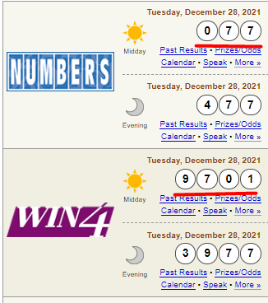

Play | Payout | Result | NewYork 1st Drawing: 14:30 2nd Drawing: 22:30 15' show result Numbers & WIN4 | Florida 1st Drawing: 13:30 2nd Drawing: 21:45 15' show result Pick3 & Pick4 | Min - Ticket | Max - Ticket | Max result/ Ticket
1. Play LOTO 1 | 1st number: 50x 2nd number: 20x 3rd number: 10x | 0-9, 2 digits | Midday: 077-97-01 1st number: 77 2nd number: 97 3rd number: 01 | Midday: 190-79-46 1st number: 90 2nd number: 79 3rd number: 46 | 1 | 1,000 | 50,000
2. Play MARYAJ | 1000x | 2 pair number | Midday: 077-97-01 77-97 77-01 97-01 | Midday: 190-79-46 79-46 90-79 90-46 | 1 | 100 | 100,000
3. Play LOTTO3 | 500x | -Numbers -Pick3 | Midday: 077-97-01 077 | Midday: 190-79-46 190 | 1 | 100 | 500,000

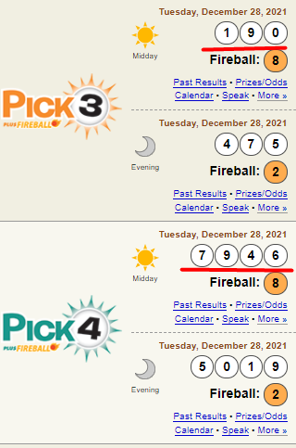

 |  |  | https://www.flalottery.com/winningNumbers
 |  |  | https://nylottery.ny.gov/

